Cover
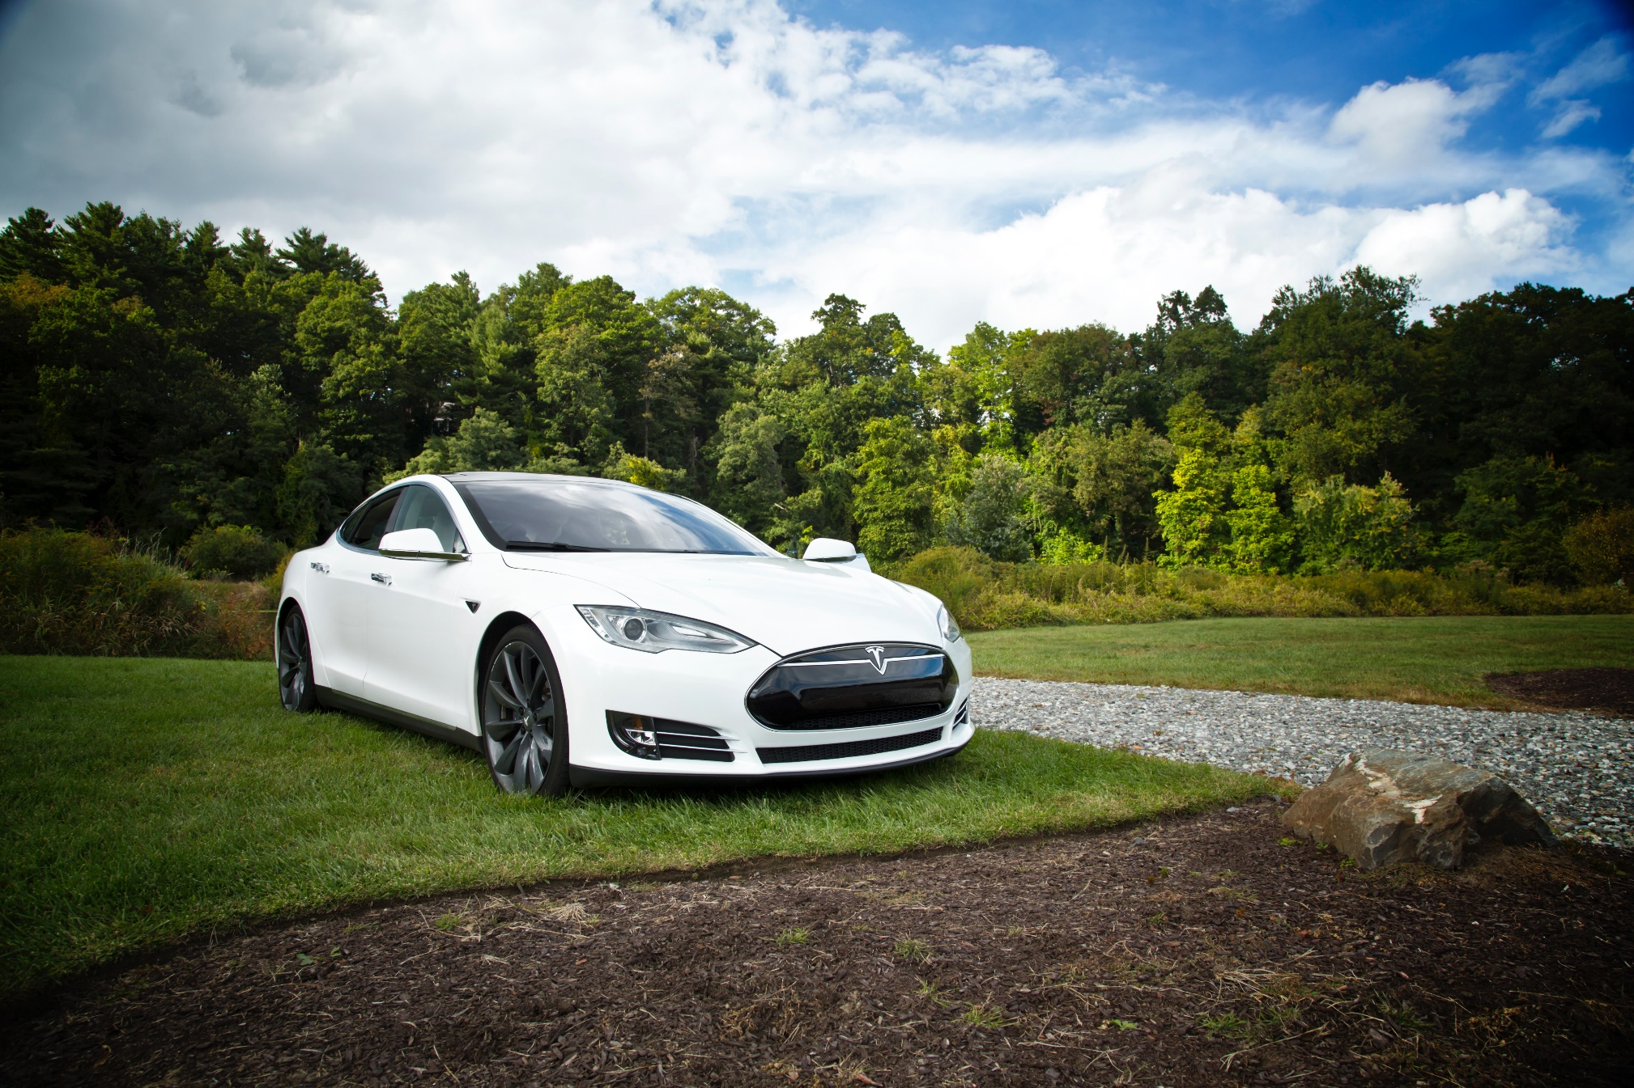

Tesla
Company analysis

Drivers
Drivers
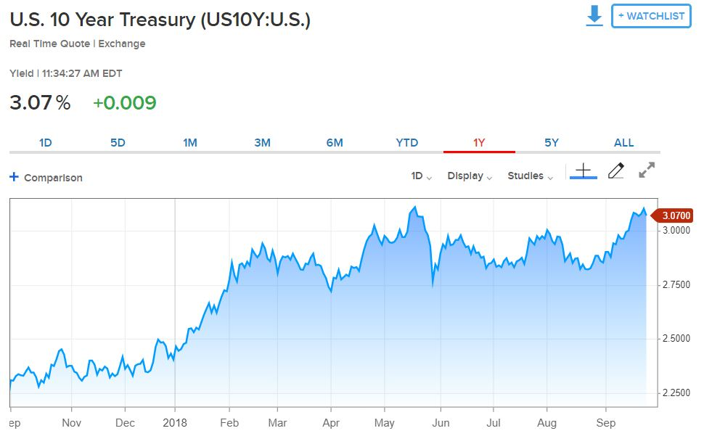
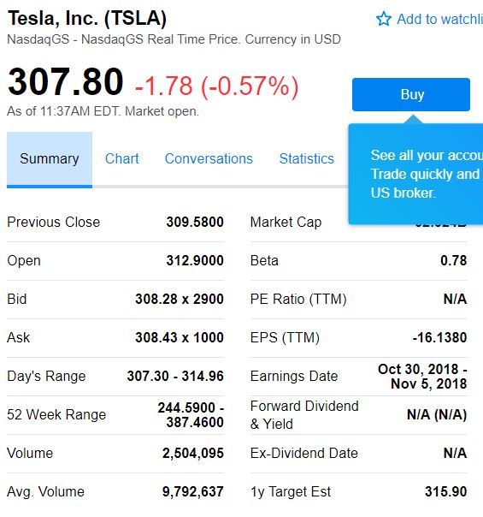
Selected case | 2
Company | Tesla
Currency | USD
Domestic country | United States
10-year treasury yield (Sep 27 2018) | 3.07%
Market risk premium US | 5%
Company beta (Sep 27 2018) | 0.78
Tesla share price (Sep 27 2018) | 307.8
Bond Yield (Sep 19 2018) | 7.50%
Corporate tax rate | 30%
Expected inflation | 2%

Deliveries development
Tesla vehicle deliveries 2014-2027 (actuals and forecasts)
 | Tesla Model 3 | Tesla Model S and X | Tesla Model Y | Tesla Roadster 2 | Tesla Pickup | Tesla Semi
2014 Act | - | 33600 | - | - | - | -
2015 Act | - | 50580 | - | - | - | -
2016 Act | - | 76230 | - | - | - | -
2017 Act | 1764 | 101312 | - | - | - | -
2018 H1 Act | 26620 | 44100 | - | - | - | -
2018 H2 Fcst | 104000 | 55900 | - | - | - | -
2018 Fcst | 130620 | 100000 | - | - | - | -
2019 Fcst | 260000 | 102000 | 1764 | - | 250 | 250
2020 Fcst | 416000 | 104040 | 130620 | 500 | 18512 | 18512
2021 Fcst | 457600 | 106121 | 260000 | 1000 | 36848 | 36848
2022 Fcst | 503360 | 108243 | 416000 | 1500 | 58957 | 58957
2023 Fcst | 528528 | 110408 | 457600 | 1650 | 64853 | 64853
2024 Fcst | 554954 | 112616 | 503360 | 1815 | 71338 | 71338
2025 Fcst | 566053 | 114869 | 528528 | 1906 | 74905 | 74905
2026 Fcst | 577375 | 117166 | 554954 | 2001 | 78650 | 78650
2027 Fcst | 588922 | 119509 | 566053 | 2041 | 80223 | 80223
2028 Fcst | 600700 | 121899 | 577375 | 2082 | 81827 | 81827

Revenue & GP autom
Revenue and Gross Profit automotive

Vehicle | 2014 Act | 2015 Act | 2016 Act | 2017 Act | 2018 Fcst | 2019 Fcst | 2020 Fcst | 2021 Fcst | 2022 Fcst | 2023 Fcst | 2024 Fcst | 2025 Fcst | 2026 Fcst | 2027 Fcst | 2028 Fcst
Revenue automotive | 3,007 | 3,741 | 6,351 | 9,641 | 14,236 | 19,999 | 38,090 | 51,426 | 67,263 | 72,175 | 77,509 | 80,390 | 83,395 | 85,063 | 86,764
Gross Profit automotive | 861 | 918 | 1,601 | 2,209 | 2,711 | 3,095 | 6,066 | 8,452 | 11,289 | 12,142 | 13,070 | 13,580 | 14,113 | 14,395 | 14,683
GP% | 29% | 25% | 25% | 23% | 19% | 15% | 16% | 16% | 17% | 17% | 17% | 17% | 17% | 17% | 17%

Revenue and Gross Profit automotive
 | Revenue automotive | Gross Profit automotive | GP%
2014 Act | 3007 | 861 | 29%
2015 Act | 3741 | 918 | 25%
2016 Act | 6351 | 1601 | 25%
2017 Act | 9641 | 2209 | 23%
2018 Fcst | 14236 | 2711 | 19%
2019 Fcst | 19999 | 3095 | 15%
2020 Fcst | 38090 | 6066 | 16%
2021 Fcst | 51426 | 8452 | 16%
2022 Fcst | 67263 | 11289 | 17%
2023 Fcst | 72175 | 12142 | 17%
2024 Fcst | 77509 | 13070 | 17%
2025 Fcst | 80390 | 13580 | 17%
2026 Fcst | 83395 | 14113 | 17%
2027 Fcst | 85063 | 14395 | 17%
2028 Fcst | 86764 | 14683 | 17%

WC development
Working Capital development (2018-2028)
 | Trade receivables | Inventory | Trade payables
31Dec2018 Fcst | 958 | 5073 | 4358
31Dec2019 Fcst | 1228 | 6648 | 5711
31Dec2020 Fcst | 2210 | 11906 | 10229
31Dec2021 Fcst | 2935 | 15716 | 13502
31Dec2022 Fcst | 3790 | 20209 | 17362
31Dec2023 Fcst | 4064 | 21661 | 18609
31Dec2024 Fcst | 4361 | 23234 | 19961
31Dec2025 Fcst | 4528 | 24119 | 20721
31Dec2026 Fcst | 4703 | 25042 | 21515
31Dec2027 Fcst | 4808 | 25601 | 21994
31Dec2028 Fcst | 4915 | 26174 | 22487

